3. Definitions & Guidance
1. In accordance with Article 4(3) of the recast Drinking Water Directive, Member States shall communication to the Commission the assessment of water leakage levels within their territory and of the potential for improvements in water leakage reduction. That assessment shall cover at least water suppliers supplying at least 10 000 m3 per day or serving at least 50 000 people. 2. The results of the assessment shall be communicated to the Commission by 12 January 2026. 3. This spreadsheet is provided to Member States to support their communication by January 2026 to the Commission and to harmonise the communicated water leakage data. 4. If this spreadsheet is used in the Member State's communication to the Commission, there should be only one spreadsheet.

Field | Definition | Property [min. requested/calculated/optional] | Observations/clarifications
Member State | Country Code (e.g. BG for Bulgaria) | Minimum requested
Year of assessment | Year for which the leakage data was aggregated | Minimum requested | Year of assessment has to cover at least one year and assessment period has to be between period 2021 - 2025
Water supplier identifier | Unique identifier for the entry under 'assessment scale' (e.g. 'Water Supplier North' | Minimum requested
National volume coverage | Calculation or estimation of the volume covered by the assessment scale versus the national total volume supplied in the MS territory | Minimum requested
Length of water mains (excl. service connections, incl. adduction mains) | Length, in kilometers, of adduction and distribution mains within the boundaries of the assessed/reported scale | Minimum requested | Water mains refer to the drinking water distribution network, including adduction mains and excluding connections as defined in standard ISO/DIS 24528. Adduction mains consist of closed pipelines that transport raw water to the entrance of the treatment plant.
System input volume (SIV) | Volume of water entering the supply system | Minimum requested + Calculated | Result of the sum of "raw water abstracted", "imported raw water", and "imported treated water".
Revenue Water (RW) | Sum of the two components billed metered consumption and billed unmetered consumption. | Minimum requested
Non Revenue Water (NRW) | Difference between the system input volume and the billed authorised consumption. | Calculated | Non-revenue water not only includes real and apparent losses, but also non-revenue authorised consumption.
Input Data Validation/Audits | Information on the validation of reported data | Minimum requested | Information on if the reported values on WB input raw data were validated or audited by the Competent Authority or Regulator. (Yes/No response)

OTHER DEFINITIONS
Field | Definition | Property [min. requested/calculated/optional] | Observations/clarifications
Water supplier | Entity supplying water intended for human consumption (that manages one or more than one supply system) | Optional (Context)
Water supply system | System of connected pipes, infrastructures and treatment facilities through which water is abstracted, treated, stored, conveyed, and distributed for human consumption; | Optional (Context)
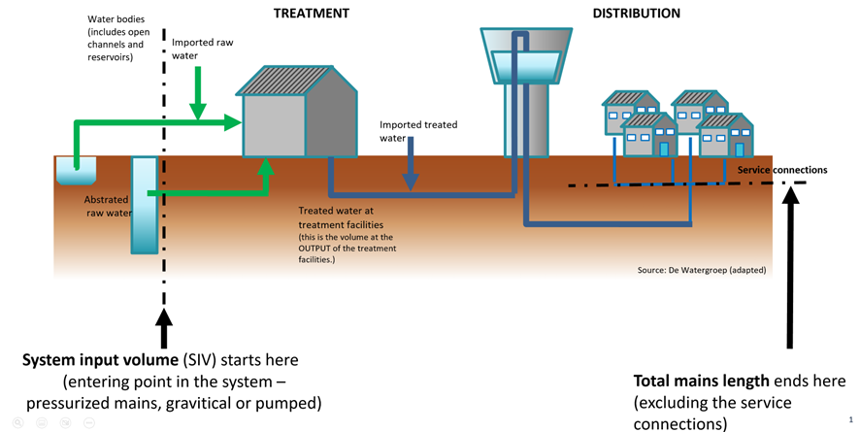
Number of service connections | Those parts of the service pipe in a Water Supply system that run from the main up to the point of customer metering/property boundary, and that are being used (pressurized pipes). | Optional (Context)
Water abstraction point | Groundwater and surface water points where water is extracted under the water supplier's responsibility | Optional (Context)
Raw water abstracted (RWAB) | Volume of water abstracted by the water supplier | Optional | Use this data to determine the System Input Volume (see figure on the right for SIV boundary)
Imported raw water | Total volume of raw water imported from other water suppliers (of bulk or retail systems) or other water operators. | Optional | Use this data to determine the System Input Volume
Imported treated water | Total volume of treated water imported from other water suppliers (bulk or retail systems). | Optional | Use this data to determine the System Input Volume
Treated water at treatment facilities | Total volume of treated water at the water supplier's treatment facilities | Optional (Context) | This is the volume at the OUTPUT of the treatment facilities.
Real losses (CARL) | Total volume of physical water losses of the system under pressure, up to the customer meter. | Optional | COM recommends to include the value of the 'real losses' as this is the volume that is really lost 'in the ground'. It doesn't include the apparent losses.
Authorised consumption | Volume of water, metered or unmetered, billed or unbilled, whose consumption or use is authorized by the water supplier. Includes the exported water. | Optional | Volume of water, metered or unmetered, supplied to registered consumers and to others that are authorised to do so for household, commercial and industrial uses. Includes the exported water.
Billed metered consumption | Sum of all the metered consumption that is also billed | Optional | Charged volume of water, based on actual meter readings, supplied to registered users and to others that are authorised to do so for household, commercial and industrial uses. Includes exported water, whether raw or treated.
Billed unmetered consumption | Sum of all billed consumption that was not metered | Optional | Unmetered charged volume of water (due to absence of meter or reading, or if a meter exists, due to lack of reading), supplied to registered users and to others that are authorised to do so for household, commercial and industrial uses.
Unbilled metered consumption | Measured consumption that is not billed. | Optional | This may include consumption measured by the management company itself for its operational uses or water provided free of charge to any user.
Unbilled unmetered consumption | Sum of all authorised consumption which is neither billed nor metered | Optional | Unmetered non-revenue volume of water supplied to registered users and to others that are authorised to do so for household, commercial and industrial uses. This may include unbilled unmetered water for operational uses, e.g. water used for backwashing filters at the treatment plant or flushing of distribution mains .
Apparent losses (AL) - Customer metering inaccuracies (CMI) | Volume of water corresponding to all types of inaccuracies associated with billed metered consumption. | Optional | Methodology to be defined or set a max. value
Apparent losses (AL) - Unauthorised consumption (UC) | Volume of water with consumption not authorised by the water supplier (due to theft or unlawful use). | Optional | Methodology to be defined or set a max. value

